Q-1
Moon Micro Decision Analysis
 |  |  | Period 2 Calculation for Molectron
Cuurent demand | 10,000 |  | Node | Reveue | Cost | Profit
Revenue | $15,000 | per server | D = 12500, P=12000 | $187,500,000 | $150,000,000 | $37,500,000
Santa clara plant | Expense |  | D = 12500, P=10000 | $187,500,000 | $125,000,000 | $62,500,000
 | $10,000,000 |  | D = 5000, P=12000 | $75,000,000 | $60,000,000 | $15,000,000
 | $500 | per server | D = 5000, P= 10000 | $75,000,000 | $50,000,000 | $25,000,000
Molectron | Expense |  | D = 0, P= 12000 | $- | $- | $-
 | $10,000 | per server | D = 0, P= 10000 | $- | $- | $-

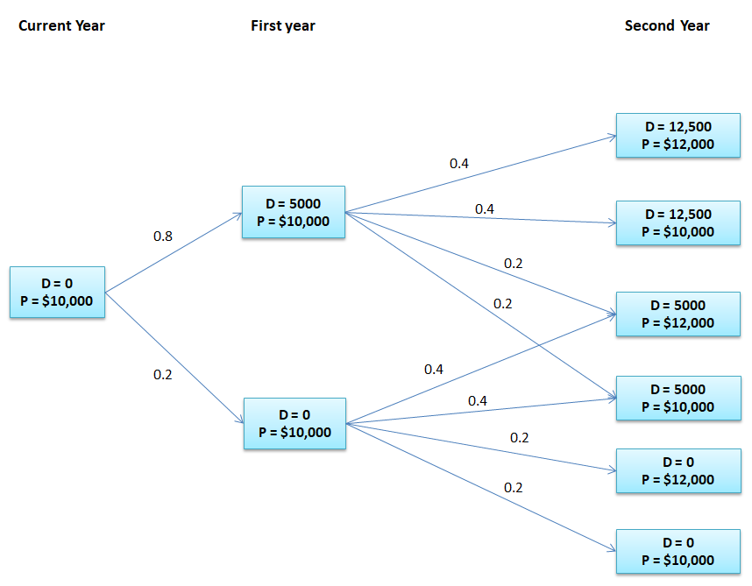
 |  |  | Period 1 Calculation for Molectron
 |  |  | Node | EP | Profit
 |  |  | D = 5000, P = $10,000 | $48,000,000 | $73,000,000
 |  |  | D = 0 , P = $10,000 | $16,000,000 | $16,000,000

 |  |  | Period 0 Calculation for Molectron
 |  |  | Node | EP | Profit
 |  |  | D = 0, P = 10000 | $61,600,000 | $61,600,000

 |  |  | Period 2 Calculation for Santa Clara
 |  |  | Node | Reveue | Molectron expense | Cost(Santa Clara) | Profit
 |  |  | D = 12500, P=12000 | $150,000,000 |  | $95,000,000 | $55,000,000
 |  |  | D = 12500, P=10000 | $150,000,000 |  | $95,000,000 | $55,000,000
 |  |  | D = 5000, P=12000 | $75,000,000 | - | $52,500,000 | $22,500,000
 |  |  | D = 5000, P= 10000 | $75,000,000 | - | $52,500,000 | $22,500,000
 |  |  | D = 0, P= 12000 | $- | - | $10,000,000 | -$10,000,000
 |  |  | D = 0, P= 10000 | $- | - | $10,000,000 | -$10,000,000

 |  |  | Period 1 Calculation for Santa Clara
 |  |  | Node | EP | Profit
 |  |  | D = 5000, P = $10,000 | $53,000,000 | $75,500,000
 |  |  | D = 0 , P = $10,000 | $14,000,000 | $4,000,000

 |  |  | Period 0 Calculation for Santa Clara
 |  |  | Node | EP | Profit
 |  |  | D = 0, P = 10000 | $61,200,000 | $51,200,000

Q-2
Unipart Case study

Expense | Parts4u.com | Second year node calculations Parts4u
Commission | 0.05 | Spend | Expense | Total spending
MRO | $10,000,000 | $150,000,000 | $7,500,000 | $157,500,000
Commission | 0.01 | $135,000,000 | $6,750,000 | $141,750,000
 |  | $121,500,000 | $6,075,000 | $127,575,000

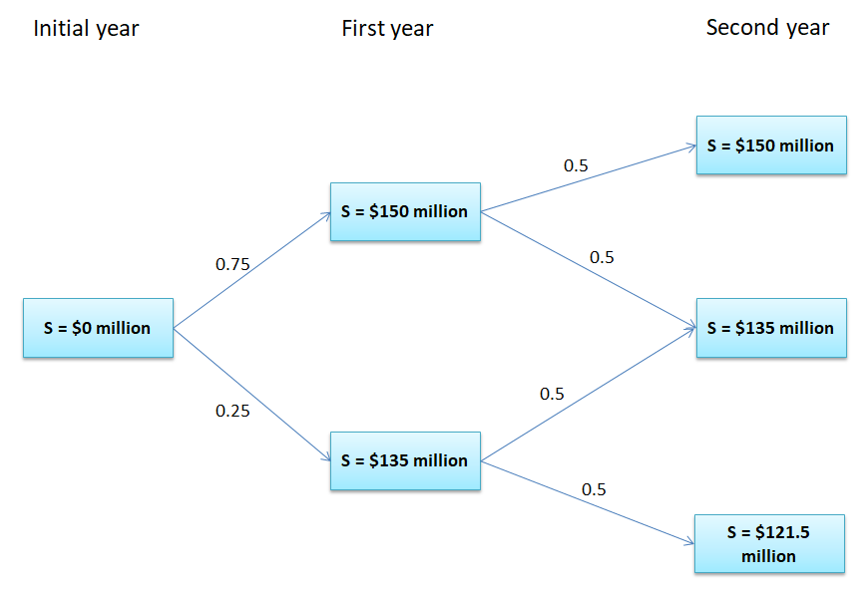
 |  | First year calculations Parts4u
 |  | Spend | Expexted Spend | Expense | Total spending
 |  | $150,000,000 | $124,687,500 | $7,500,000 | $282,187,500
 |  | $135,000,000 | $112,218,750 | $6,750,000 | $253,968,750

 |  | Starting of the year calculations Parts4u
 |  | Spend | Expected Spend | Expense | Total spending
 |  | $- | $229,277,343.75 |  | $229,277,344

 |  | Second year node calculations MRO
 |  | Spend | Expense | Total spending
 |  | $150,000,000 | $1,500,000 | $151,500,000
 |  | $135,000,000 | $1,350,000 | $136,350,000
 |  | $121,500,000 | $1,215,000 | $122,715,000

 |  | First year calculations MRO
 |  | Spend | Expexted Spend | Expense | Total spending
 |  | $150,000,000 | $119,937,500 | $1,500,000 | $271,437,500
 |  | $135,000,000 | $107,943,750 | $1,350,000 | $244,293,750

 |  | Starting of the year calculations MRO
 |  | Spend | Expected Spend | Expense | Total spending
 |  | $- | $220,542,968.75 | $10,000,000.00 | $230,542,969

